Brief About Samuel Trading
Case Summary | Samuel Trading Company was onboarded as a trading entity dealing in spices. Initial onboarding and field verification were satisfactory. Subsequent transaction monitoring identified unusually high transaction velocity inconsistent with declared turnover. Multiple statutory notices were later received from law enforcement agencies across jurisdictions, leading to enhanced due diligence and identification of potential mule account activity.

Samuel Trading Company

Directors | Isaac Samuel and James Samuel

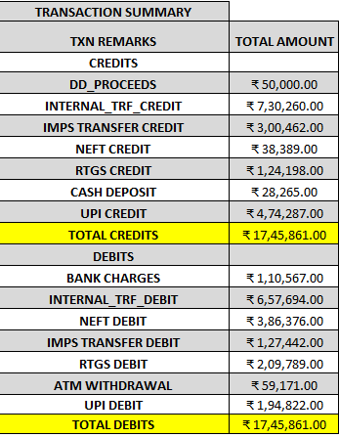
Documents Procured during Onboarding | * Copy of MCA Certificate verified copy. *UDYAM Registration Certificate verified copy *Pan Card copy for the entity and both Individual Partners. *GST Registration Certificate verified copy.
FV And Observations(Onboarding) | *Branch had conducted Field Verification and observations were positive during onboarding. *The directors were involved in Trading of Spices and had clientel across the country.
Annual Declared Turnover | Rs.14,00,000.00
Modus Operandi
Statutory Notices | As of 15/09/2025 Statutory Notices were received from Guntur, Madurai, Mumbai Police. The notices had requested to mark freeze in the account due to suspicious transactions observed.
Suspicous transactions alerts received | Yes. Bank has a team dedicated to monitoring transactions. Alerts were raised due to multiple debit and credit transactions observed in the accounts on a single day. The transactions were higher than the declared turnover. The team had requested the branch to conduct EDD and provide Inputs regarding the observations.
Analysis of Transactions | * The analysis of the transactions revealed that multiple debit and credit transactions were observed in the account in between 16/08/2025 and 25/08/2025. These transactions were observed within gap of few minutes on given days. *The turnover in the account was higher than declared annual turnover. *Multiple Internal debit and credit transfers were observed with entities that have already been red flagged and are under investigation. *The transaction pattern reveals strong possibility of routing fraudulent funds and suspicious mule activity.
EDD and FV Observations. | *Branch conducted another FV after alerts were triggered and statutory notices were received and concluded as negative. *The Shop on the location was closed. The directors were not contactable. Branch had earlier contacted the directors when suspicious transactions were observed . However, they did not disclose the details. *The neighbouring entities confirmed that both the directors were under judicial custody and the office was sealed by the Police station. | 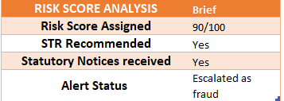
Key Red Flags Observed | *Turnover Mismatch * High transaction velocity *Multiple Statutory Notices received. *Directors under judicial custody. *Police Investigation Initiated.
Conclusion | *Basis the entire investigation conducted and statutory notices recceived it appears that the account of Samuel trading company was used for routing of fraudulent transactions. The role of the Directors in routing of these transactions cannot be ruled out. Hence, the case is being concluded as fraud perpetrated by the directors Isaac Samuel and James Samuel.
Recommendations | *The Fraud Intellegence Unit is requested to continue with the freeze marked in the account. *AML team is requested to file an Suspicious Transaction report. *The Branch is requested to Red flag the KYC documents of the entity and both the directors.

Summarized Transaction Details
 | Column Labels
 | Sum of CREDIT | Sum of DEBIT | Total Sum of CREDIT | Total Sum of DEBIT
 | Aug | Aug
Row Labels
AJAZ AGRO | 0 | 304560 | 0 | 304560
OTHER | 0 | 800 | 0 | 800
RAMESH TRADING | 345087 | 0 | 345087 | 0
SQL LOGISTICS | 0 | 353134 | 0 | 353134
VIJAY SALES | 85130 | 0 | 85130 | 0
(blank) | 1265644 | 1087367 | 1265644 | 1087367
Grand Total | 1695861 | 1745861 | 1695861 | 1745861

 |  |  |  |  | 50000
 |  |  |  |  | 12500

Dashboard
 | RISK TABLE
HIGH | 2
MEDIUM | 1
LOW | 1

TRANSACTION SUMMARY
 | TOTAL AMOUNT
DD_PROCEEDS | ₹ 50,000.00
INTERNAL_TRF_CREDIT | ₹ 730,260.00
IMPS TRANSFER CREDIT | ₹ 300,462.00
NEFT CREDIT | ₹ 38,389.00
RTGS CREDIT | ₹ 124,198.00
CASH DEPOSIT | ₹ 28,265.00
UPI CREDIT | ₹ 474,287.00
TOTAL CREDITS | ₹ 1,745,861.00
DEBITS
BANK CHARGES | ₹ 110,567.00
INTERNAL_TRF_DEBIT | ₹ 657,694.00
NEFT DEBIT | ₹ 386,376.00
IMPS TRANSFER DEBIT | ₹ 127,442.00
RTGS DEBIT | ₹ 209,789.00
ATM WITHDRAWAL | ₹ 59,171.00
UPI DEBIT | ₹ 194,822.00
TOTAL DEBITS | ₹ 1,745,861.00

d

d

SQL Query Details
QUERY OBJECTIVE | SQL QUERY | OUTPUT | INVESTIGATION INSIGHT
Detect accounts with unusually high transaction count. | SELECT `PAYEE NAME`, COUNT(*) AS total_transactions FROM `sql samuel trading company data` WHERE `PAYEE NAME` <>'' and `PAYEE NAME` <>'OTHER' GROUP BY `PAYEE NAME` HAVING COUNT(*) > 8; | 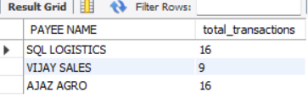
Rapid Inward and Outward Movement | SELECT `PAYEE NAME`, SUM(CASE WHEN `TRANSACTION TYPE` = 'CREDIT' THEN `TRANSACTION AMOUNT` ELSE 0 END) AS total_credit, SUM(CASE WHEN `TRANSACTION TYPE` = 'DEBIT' THEN `TRANSACTION AMOUNT` ELSE 0 END) AS total_debit FROM `sql samuel trading company data` WHERE `PAYEE NAME` IS NOT NULL AND `PAYEE NAME` <> '' AND `PAYEE NAME` <> 'OTHER' GROUP BY `PAYEE NAME` HAVING total_credit > 50000 or total_debit > 50000;
Structuring Detection | SELECT `PAYEE NAME`, `TRANSACTION DATE`, COUNT(*) AS cash_deposits FROM `sql samuel trading company data` WHERE `TXN REMARKS`='INTERNAL_TRF_CREDIT' AND `TRANSACTION AMOUNT` BETWEEN 3000 AND 80000 GROUP BY `PAYEE NAME`, `TRANSACTION DATE`; | 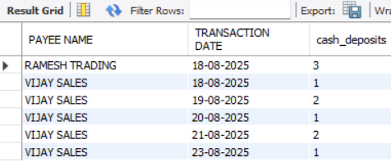
Transaction typewise classification | SELECT `TXN REMARKS`, SUM(`TRANSACTION AMOUNT`) AS total_amount FROM `sql samuel trading company data` GROUP BY `TXN REMARKS` ORDER BY total_amount DESC; | 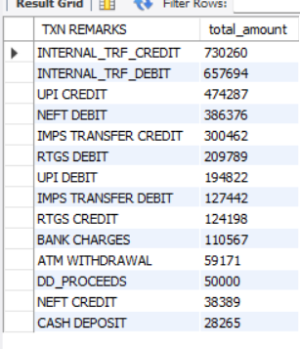
Geographic Hotspot Analysis | SELECT CITY, count(DISTINCT `PAYEE NAME`) AS suspicious_entity_count FROM `sql samuel trading company data` WHERE CITY<> '-' GROUP BY CITY | 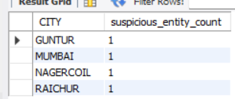
Top High-Risk Entities | SELECT `RISK LEVEL`, COUNT(DISTINCT `PAYEE NAME`) AS suspicious_entity_count, GROUP_CONCAT(DISTINCT `PAYEE NAME` ORDER BY `PAYEE NAME` SEPARATOR ', ') AS entity_names FROM `sql samuel trading company data` WHERE `PAYEE NAME` IS NOT NULL AND `PAYEE NAME` <> '' AND `PAYEE NAME` <> 'OTHER' GROUP BY `RISK LEVEL`; | 

..
FINANCIAL CRIME TRANSACTION MONITORING DASHBOARD - THE SAMUEL TRADING COMPANY

TRANSACTION SUMMARY
 | TOTAL AMOUNT
DD_PROCEEDS | ₹ 50,000.00
INTERNAL_TRF_CREDIT | ₹ 730,260.00
IMPS TRANSFER CREDIT | ₹ 300,462.00
NEFT CREDIT | ₹ 38,389.00
RTGS CREDIT | ₹ 124,198.00
CASH DEPOSIT | ₹ 28,265.00
UPI CREDIT | ₹ 474,287.00
TOTAL CREDITS | ₹ 1,745,861.00
DEBITS
BANK CHARGES | ₹ 110,567.00
INTERNAL_TRF_DEBIT | ₹ 657,694.00
NEFT DEBIT | ₹ 386,376.00
IMPS TRANSFER DEBIT | ₹ 127,442.00
RTGS DEBIT | ₹ 209,789.00
ATM WITHDRAWAL | ₹ 59,171.00
UPI DEBIT | ₹ 194,822.00
TOTAL DEBITS | ₹ 1,745,861.00
TOTAL TRANSACTIONS 158 | Transacion Summary |  | High Value Transactions
 | TXN REMARKS | TOTAL AMOUNT |  | DEBIT | CREDIT
 | CREDITS |  | 1st Largest Value | ₹ 159,609.00 | ₹ 300,043.00
 | DD_PROCEEDS | ₹ 50,000.00 | 2nd Largest Value | ₹ 156,934.00 | ₹ 200,046.00
 | INTERNAL_TRF_CREDIT | ₹ 730,260.00 | 3rd Largest Value | ₹ 87,744.00 | ₹ 103,378.00
TOTAL DEBITS ₹17,45,861 | IMPS TRANSFER CREDIT | ₹ 300,462.00
 | NEFT CREDIT | ₹ 38,389.00
 | RTGS CREDIT | ₹ 124,198.00 | Key Findings
 | CASH DEPOSIT | ₹ 28,265.00 | * Mule hotspots identified in Guntur and Nagercoil. The branches confirmed the modus operandi. * The EDD and field verifications conducted by the branches were not satisfactory. The other entities were not able to provide documentary proofs. Hence, there claims could not be verified. * The Pattern of the transaction confirms fraudulent transactions being routed through the account. * Customer is not contactable and branch confirmed that the customer is in Police custody.
 | UPI CREDIT | ₹ 474,287.00
 | TOTAL CREDITS | ₹ 1,745,861.00
TOTAL CREDITS ₹17,45,861 | DEBITS
 | BANK CHARGES | ₹ 110,567.00
 | INTERNAL_TRF_DEBIT | ₹ 657,694.00
 | NEFT DEBIT | ₹ 386,376.00
 | IMPS TRANSFER DEBIT | ₹ 127,442.00
 | RTGS DEBIT | ₹ 209,789.00
HIGH RISK ENTITIES 2 | ATM WITHDRAWAL | ₹ 59,171.00
 | UPI DEBIT | ₹ 194,822.00
 | TOTAL DEBITS | ₹ 1,745,861.00

RISK DISTRIBUTION
MULE HOTSPOTS 2 | RISK TABLE
 | RISK | COUNT
 | HIGH | 2
 | MEDIUM | 1
 | LOW | 1

 | Linkend Entity | Transaction Type
 | RAMESH TRADING | INTERNAL TRF CREDIT
 | SQL LOGISTICS | INTERNAL TRF DEBIT
 | VIJAY SALES | INTERNAL TRF CREDIT
 | AJAZ AGRO | INTERNAL TRF DEBIT

MUMBAI

RAICHUR
GUNTUR

NAGERCOIL

